Overview
CORE #0 -- Realtime Core
CORE #1 -- WORKER CORE

Priority =1
USB Serial Driver
Priority =1
Cmd Parser
PWM Generation

DIR
Driver + Motor
PWM

Priority =1
P?
Priority =1
PID Speed control loop

Priority =1
V?
Quadrature encoder
A
Encoder
Right POS
B
Left POS
Left VEL
Right VEL

Sheet1
Core1 services SM IRQ's and keeps Position
Core 1
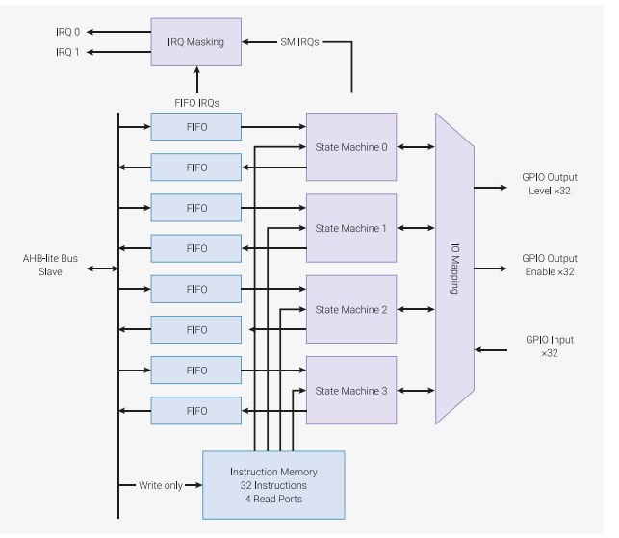

Same PIO code runs on both State Machines, but connected to different GPIO and SM IRQ's

GP3
LeftEncA
GP4
LeftEncB

GP5
RightEncA

GP6
RightEncB

IRQ relative addressing
Two Sm's are running the same code
each sm engine must set Two IRQ bits, one for count up, one for count down
With 2 sm's that means 4 total IRQ bits in the PIO Block are used
Note that these IRQ bits ARE NOT CPU IRQ BITS ( they are mapped to CPU IRQ Bits)
SO we Map SM=0 IRQ 0,2 ( up,down) to CPU IRQ 0. then
SO we Map SM=1 IRQ 1,3 ( up,down) to CPU IRQ 1. then
Then each IRQ handler on Core1 must Query the SM interrupt register to figure out wich direction to move position

Sheet2
um/us | us | m/s
127 | 10 | 12.7
127 | 25 | 5.08
127 | 50 | 2.54
127 | 75 | 1.6933333333
127 | 100 | 1.27
127 | 250 | 0.508
127 | 500 | 0.254
127 | 750 | 0.16933333333
127 | 1000 | 0.127
127 | 2500 | 0.0508
127 | 5000 | 0.0254
127 | 7500 | 0.016933333333
127 | 10000 | 0.0127

